Sheet1
STYLE PHOTO | FABRIC
 | 65% POLY, 35% RAYON GSM: 160 | AQ-NP-02.png
 | 65% POLY, 35% RAYON GSM: 160 | AQ-NP-01.png
 | 50% COTTON, 50% MODAL GSM:160 | AQ-NP-16.png
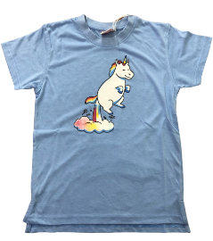 | 50% COTTON, 50% MODAL GSM:160 | AQ-NP-06.png
 | 60% COTTON, 40% POLY TERRY GSM: 220 | AQ-NP-04.png
 | 50% COTTON, 50% MODAL GSM:160 | AQ-NP-13.png
 | 65% POLY, 35% RAYON GSM: 160 | AQ-NP-03.png
 | 65% POLY, 35% RAYON GSM: 160 | AQ-NP-05.png
 | 65% COTTON, 30% POLY, 5% SPANDEX GSM: 160 | AQ-NP-07.png
 | 65% COTTON, 30% POLY, 5% SPANDEX GSM: 160 | AQ-NP-08.png
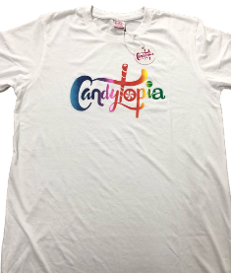 | 60% COTTON, 40% POLY GSM: 160 | AQ-NP-10.png
 | 65% POLY, 35% RAYON GSM: 160 | AQ-NP-14.png
 | 65% POLY, 35% RAYON GSM: 160 | AQ-NP-11.png
 | 65% POLY, 35% RAYON GSM: 160 | AQ-NP-09.png
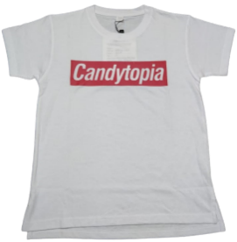 | 60% COTTON, 40% POLY GSM: 160 | AQ-NP-15.png
 | 65% POLY, 35% RAYON GSM: 160

